How to Complete
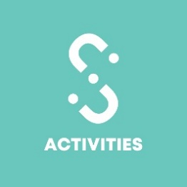

Student Group Master Risk Assessment Details 2020 - 2021
How to Complete the MRA

Introduction
The successful completion and submission of the Student Group Master Risk Assessment (MRA) is mandatory to be affilitated with University College Birmingham Guild of Students. As an elected committee member you have a duty of care to look after the safety of your members. Your committee will need to show that all possible risks pertaining to the activities of your Student Group have been considered and that achievable methods have been put in place to lower the risk to both your members and any other attendees.

When should I submit the MRA?
The Master Risk assessment should be submitted once a year as part of your Affiliation process for all regular activities your group holds. For example, if you run a Sports group you are likely to have regular trainings but also socials and occasionally a trip to another part of the country to compete. For each of these different events you should ensure that they are covered under your MRA but must resubmit your Risk Assessment when holding an event not covered under the MRA.

Instructions
1) Fill in the 'Declaration and Categorisation' tab including the Basic Information, Declaration and Group Activity Categorisation. For the latter, think about which events your Student Group held in the last academic year to base your next one. 2) Look through the tab 'Example - Laser Tag' for ideas on how a risk assessment should be completed - hover over the different sections for some top tips! (Look for the red triangle in the corner of the cell) 3) Start to fill in the relevant activity templates to your group by coming up with Hazards and Controls and thinking how you can prevent them happening/lessen the risk. Use the 'Example Hazards and Controls' for assistance!

Need assistance?
If you need some help, get in touch at c.oboyle@ucb.ac.uk

